U500SD
PRODUCT TECHNICAL SPECIFICATIONS

JASMINE RICE, 500G VACUUM PACKED CELLOPHANE

UNIT (PRIMARY PACK)
PACKAGING MATERIAL TYPE: | cellophane pack

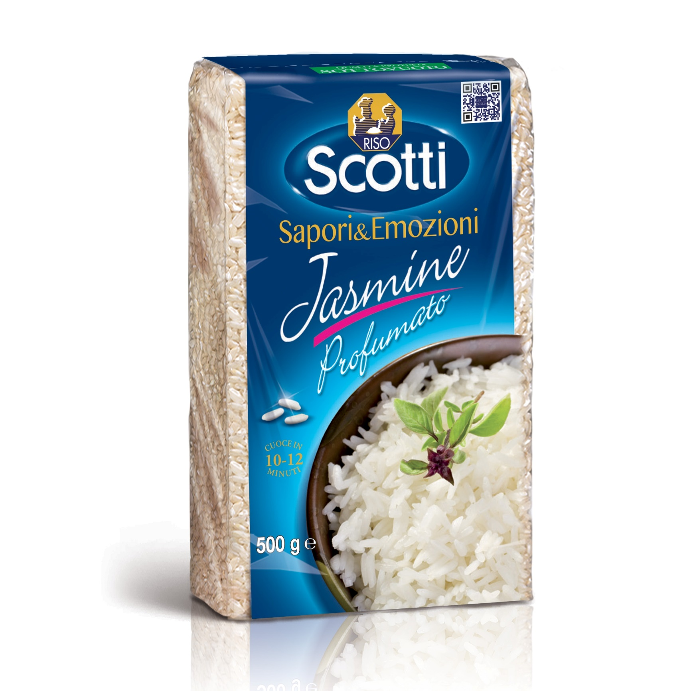
PACKAGING MATERIAL WEIGHT: | plastic |  |  |  |  |  |  |  | KG. |  | 0.012
 | paper/cardboard |  |  |  |  |  |  |  | KG. |  | 0.000
 | glass |  |  |  |  |  |  |  | KG. |  | 0

DIMENSION: | MM |  |  | L. |  | 95 |  |  | D. |  | 43 |  |  | H. | 155

NET WEIGHT: | KG. |  | 0.500

GROSS WEIGHT: | KG. |  | 0.512

OUTER CASE (SECONDARY PACK)
TYPE: | film-wrapping in carton tray

PACKAGING MATERIAL WEIGHT: | plastic |  |  |  |  |  |  |  | KG. |  | 0.013
 | paper/cardboard |  |  |  |  |  |  |  | KG. |  | 0.050

UNITS/CASE: | 12

DIMENSION: | MM |  |  | L. |  | 210 |  |  | D. |  | 252 |  |  | H. | 155

NET WEIGHT: | KG. |  | 6.000

GROSS WEIGHT: | KG. |  | 6.205

PALLET
PALLET TYPE: | 80*115 cm base

PALLET WEIGHT: | wood |  |  |  |  |  |  |  | KG. |  | 20.000
 | plastic |  |  |  |  |  |  |  | KG. |  | 0.500

UNITS/PALLET: | 1080

CASES/PALLET: | 90

CASES/PALLET LAYER: | 15

LAYERS/PALLET: | 6

DIMENSION: | CM. |  |  | L. |  | 115 |  |  | D. |  | 80 |  |  | H. | 110

NET WEIGHT: | KG. |  | 540.000

GROSS WEIGHT: | KG. |  | 578.955

PRODUCT CODE

EAN CODE - UNIT: |  | 8 | 0 | 0 | 1 | 8 | 6 | 0 | 2 | 5 | 3 | 2 | 1 | 8

EAN CODE - OUTER CASE: |  | 8 | 0 | 0 | 1 | 8 | 6 | 0 | 2 | 5 | 3 | 2 | 0 | 1

PRODUCT CODE: |  | U500SD

HS CODE: |  | 1006 3098

SHELF LIFE

26 MONTHS FROM THE DATE OF PRODUCTION

